Business Profile
Profile
Business Name (Public/Customer-Facing)

Business Name (Legal)

Business Website

Support Contact Phone Number
 | What phone number do you want customers to contact if they need help?

Support Email
 | What email address do you want customers to contact if they need help?

Terms & Conditions
 | Please enter the terms and conditions specific for your business that must be accepted by the client prior to using your business's services.

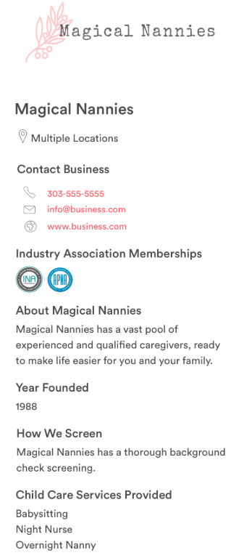
Business Details
Agency Logo - Transparent Background |  | Sample agency profile:
 | You will be prompted to upload this during set-up

Year Founded

About Us

Vetting Process

Industry Memberships (INA, APNA)
 | List all memberships your company belongs to

